Venn_NMNAT1vsWRN
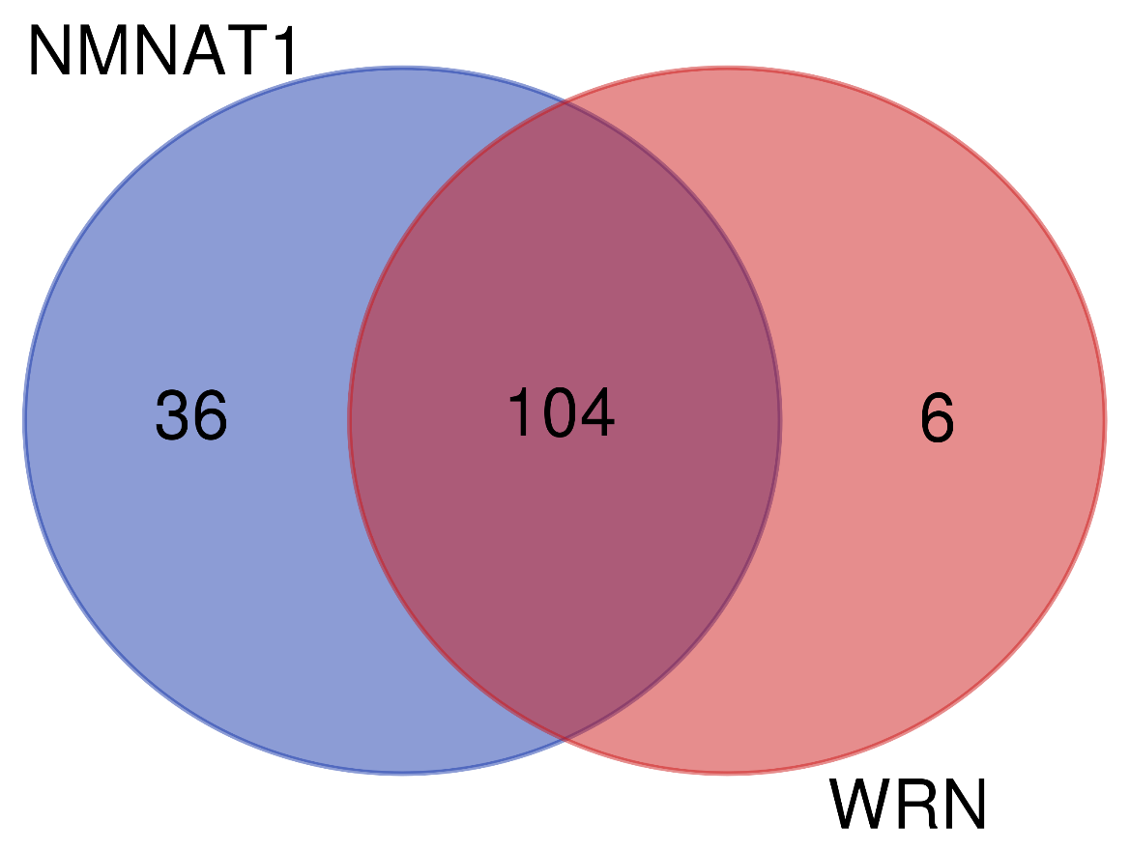
Names | total | elements
NMNAT1 WRN | 104 | WRNIP1
 |  | KDM4A
 |  | SIN3A
 |  | YY1
 |  | ZNF143
 |  | FOS
 |  | NELFE
 |  | ZNF263
 |  | ZC3H11A
 |  | REST
 |  | SETDB1
 |  | SAP30
 |  | BACH1
 |  | UBTF
 |  | ZKSCAN1
 |  | ARID3A
 |  | KDM5B
 |  | MAFK
 |  | CEBPD
 |  | EP300
 |  | JUND | % | NMNAT1 | 24.7
 |  | CTBP2 |  | shared | 71.2
 |  | FOXP2 |  | WRN | 4.1
 |  | HMGN3
 |  | TBP
 |  | CBX3
 |  | TBL1XR1
 |  | RFX5
 |  | RCOR1
 |  | PML
 |  | CEBPB
 |  | NFIC
 |  | IRF1
 |  | MYC
 |  | TAL1
 |  | JUN
 |  | MAX
 |  | IRF3
 |  | ZNF384
 |  | RBBP5
 |  | H2AFZ
 |  | CCNT2
 |  | CHD1
 |  | KAT2A
 |  | KDM5A
 |  | HDAC2
 |  | MYOG
 |  | ATF1
 |  | BRCA1
 |  | ETS1
 |  | TCF12
 |  | ELK1
 |  | ZMIZ1
 |  | RUNX3
 |  | SP4
 |  | PAX5
 |  | GTF2B
 |  | POU2F2
 |  | MAFF
 |  | STAT3
 |  | CTCF
 |  | CHD7
 |  | MTA3
 |  | NFYB
 |  | SMC3
 |  | E2F6
 |  | SRF
 |  | MAZ
 |  | STAT1
 |  | MYBL2
 |  | BHLHE40
 |  | SIX5
 |  | GABPA
 |  | ATF3
 |  | CUX1
 |  | TRIM28
 |  | HDAC1
 |  | WHSC1
 |  | STAT5A
 |  | RAD21
 |  | EGR1
 |  | SIRT6
 |  | BCLAF1
 |  | HCFC1
 |  | NFYA
 |  | ELF1
 |  | BCL3
 |  | NR2F2
 |  | SP1
 |  | ZBTB33
 |  | GTF2F1
 |  | HDAC6
 |  | MXI1
 |  | USF1
 |  | TAF1
 |  | TEAD4
 |  | POLR2A
 |  | CHD2
 |  | EZH2
 |  | PHF8
 |  | NRF1
 |  | E2F4
 |  | ZBTB7A
 |  | CREB1
NMNAT1 | 36 | IRF4
 |  | FLI1
 |  | TCF3
 |  | SMARCB1
 |  | KDM1A
 |  | FOSL2
 |  | ATF2
 |  | TFAP2C
 |  | ZEB1
 |  | USF2
 |  | THAP1
 |  | GATA3
 |  | TCF7L2
 |  | NANOG
 |  | SP2
 |  | TAF7
 |  | GTF3C2
 |  | HNF4A
 |  | SUZ12
 |  | MBD4
 |  | CHD4
 |  | RELA
 |  | NFATC1
 |  | PBX3
 |  | SPI1
 |  | BATF
 |  | KAT2B
 |  | ELK4
 |  | ZNF217
 |  | TFAP2A
 |  | EBF1
 |  | FOXM1
 |  | HNF4G
 |  | NR3C1
 |  | SUPT20H
 |  | BCL11A
WRN | 6 | FOXA2
 |  | GATA2
 |  | ZNF274
 |  | GATA1
 |  | FOXA1
 |  | MYB

Venn_NMNAT2vsWRN
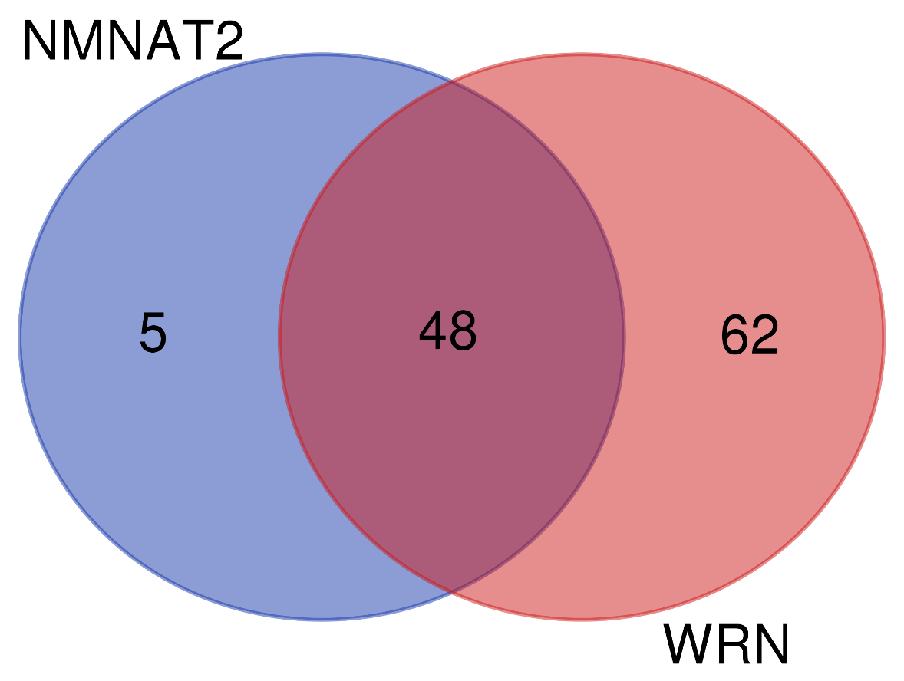
Names | total | elements
NMNAT2 WRN | 48 | KDM4A
 |  | SIN3A
 |  | YY1
 |  | TCF12
 |  | GATA2
 |  | ZNF143
 |  | ZNF263
 |  | SP4
 |  | REST
 |  | CTCF
 |  | SAP30
 |  | BACH1
 |  | CHD7
 |  | SMC3
 |  | KDM5B
 |  | E2F6
 |  | MAZ
 |  | BHLHE40
 |  | EP300
 |  | GABPA
 |  | JUND
 |  | TBP
 |  | RAD21 | % | NMNAT2 | 4.3
 |  | EGR1 |  | shared | 41.7
 |  | RCOR1 |  | WRN | 53.9
 |  | CEBPB
 |  | BCL3
 |  | MYC
 |  | GTF2F1
 |  | MXI1
 |  | HDAC6
 |  | USF1
 |  | TAF1
 |  | JUN
 |  | TAL1
 |  | TEAD4
 |  | MAX
 |  | H2AFZ
 |  | RBBP5
 |  | POLR2A
 |  | EZH2
 |  | CHD2
 |  | PHF8
 |  | CHD1
 |  | KDM5A
 |  | HDAC2
 |  | MYOG
 |  | CREB1
NMNAT2 | 5 | SUZ12
 |  | ATF2
 |  | USF2
 |  | GATA3
 |  | TCF7L2
WRN | 62 | FOXA2
 |  | ATF1
 |  | WRNIP1
 |  | BRCA1
 |  | ETS1
 |  | ELK1
 |  | ZMIZ1
 |  | FOS
 |  | RUNX3
 |  | NELFE
 |  | PAX5
 |  | ZC3H11A
 |  | GTF2B
 |  | POU2F2
 |  | MAFF
 |  | STAT3
 |  | SETDB1
 |  | UBTF
 |  | ZKSCAN1
 |  | MTA3
 |  | ARID3A
 |  | NFYB
 |  | MAFK
 |  | SRF
 |  | STAT1
 |  | MYBL2
 |  | CEBPD
 |  | SIX5
 |  | ZNF274
 |  | ATF3
 |  | CTBP2
 |  | FOXP2
 |  | CUX1
 |  | HMGN3
 |  | TRIM28
 |  | HDAC1
 |  | CBX3
 |  | TBL1XR1
 |  | WHSC1
 |  | STAT5A
 |  | RFX5
 |  | SIRT6
 |  | BCLAF1
 |  | PML
 |  | NFYA
 |  | HCFC1
 |  | ELF1
 |  | NR2F2
 |  | SP1
 |  | NFIC
 |  | ZBTB33
 |  | IRF1
 |  | GATA1
 |  | IRF3
 |  | ZNF384
 |  | CCNT2
 |  | NRF1
 |  | KAT2A
 |  | E2F4
 |  | ZBTB7A
 |  | FOXA1
 |  | MYB

Venn_NMNAT3vsWRN
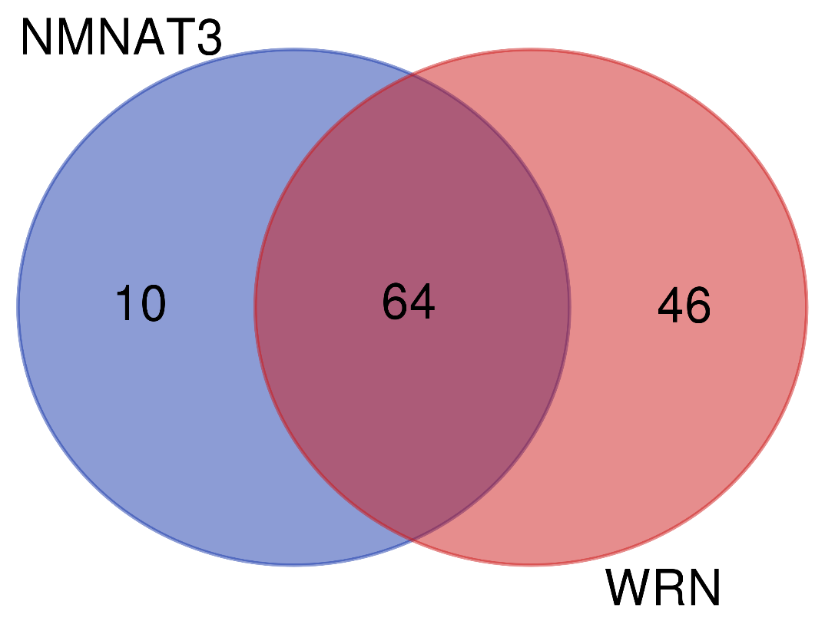
Names | total | elements
NMNAT3 WRN | 64 | KDM4A
 |  | SIN3A
 |  | YY1
 |  | ETS1
 |  | TCF12
 |  | GATA2
 |  | ZNF143
 |  | ZMIZ1
 |  | NELFE
 |  | ZC3H11A
 |  | REST
 |  | MAFF
 |  | CTCF
 |  | SAP30
 |  | BACH1
 |  | UBTF
 |  | CHD7
 |  | ARID3A
 |  | SMC3
 |  | KDM5B
 |  | MAFK | % | NMNAT3 | 8.3
 |  | E2F6 |  | shared | 53.3
 |  | MAZ |  | WRN | 38.3
 |  | BHLHE40
 |  | EP300
 |  | JUND
 |  | ATF3
 |  | HMGN3
 |  | HDAC1
 |  | TBP
 |  | CBX3
 |  | TBL1XR1
 |  | RAD21
 |  | RFX5
 |  | EGR1
 |  | SIRT6
 |  | RCOR1
 |  | HCFC1
 |  | PML
 |  | ELF1
 |  | NR2F2
 |  | GATA1
 |  | IRF1
 |  | MYC
 |  | GTF2F1
 |  | USF1
 |  | HDAC6
 |  | MXI1
 |  | TAF1
 |  | TEAD4
 |  | JUN
 |  | MAX
 |  | ZNF384
 |  | H2AFZ
 |  | RBBP5
 |  | CCNT2
 |  | POLR2A
 |  | EZH2
 |  | CHD2
 |  | PHF8
 |  | CHD1
 |  | ZBTB7A
 |  | HDAC2
 |  | MYOG
NMNAT3 | 10 | GTF3C2
 |  | TCF3
 |  | SMARCB1
 |  | KDM1A
 |  | CHD4
 |  | CTCFL
 |  | SPI1
 |  | USF2
 |  | EBF1
 |  | RNF2
WRN | 46 | FOXA2
 |  | ATF1
 |  | WRNIP1
 |  | BRCA1
 |  | ELK1
 |  | FOS
 |  | RUNX3
 |  | ZNF263
 |  | SP4
 |  | PAX5
 |  | GTF2B
 |  | POU2F2
 |  | STAT3
 |  | SETDB1
 |  | ZKSCAN1
 |  | MTA3
 |  | NFYB
 |  | SRF
 |  | STAT1
 |  | MYBL2
 |  | CEBPD
 |  | SIX5
 |  | GABPA
 |  | ZNF274
 |  | CTBP2
 |  | FOXP2
 |  | CUX1
 |  | TRIM28
 |  | WHSC1
 |  | STAT5A
 |  | BCLAF1
 |  | NFYA
 |  | CEBPB
 |  | BCL3
 |  | SP1
 |  | NFIC
 |  | ZBTB33
 |  | TAL1
 |  | IRF3
 |  | NRF1
 |  | KAT2A
 |  | E2F4
 |  | KDM5A
 |  | FOXA1
 |  | MYB
 |  | CREB1

Venn_all_NMNATs
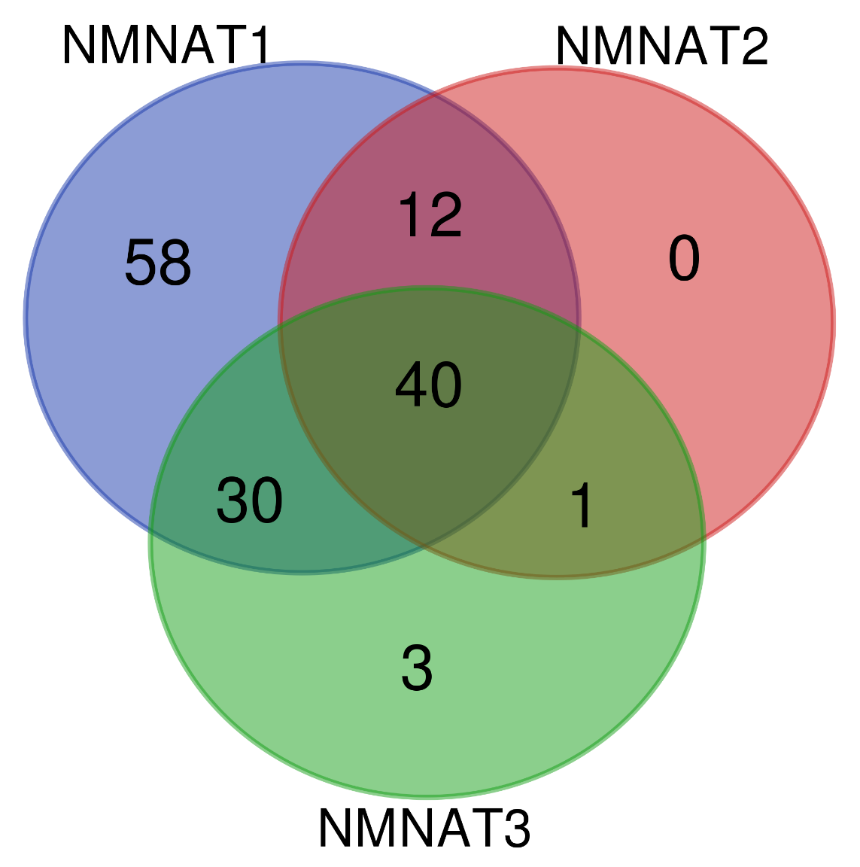
Names | total | elements
NMNAT1 NMNAT2 NMNAT3 | 40 | KDM4A
 |  | SIN3A
 |  | YY1
 |  | ZNF143
 |  | REST
 |  | SAP30
 |  | BACH1
 |  | KDM5B
 |  | EP300
 |  | JUND
 |  | TBP
 |  | RCOR1
 |  | USF2
 |  | MYC
 |  | JUN
 |  | MAX
 |  | RBBP5
 |  | H2AFZ
 |  | CHD1
 |  | HDAC2
 |  | MYOG
 |  | TCF12
 |  | CTCF
 |  | CHD7
 |  | SMC3
 |  | E2F6
 |  | MAZ
 |  | BHLHE40
 |  | RAD21
 |  | EGR1
 |  | GTF2F1
 |  | HDAC6
 |  | MXI1
 |  | USF1
 |  | TAF1
 |  | TEAD4
 |  | POLR2A
 |  | CHD2
 |  | EZH2
 |  | PHF8
NMNAT1 NMNAT2 | 12 | ZNF263
 |  | ATF2
 |  | CEBPB
 |  | TAL1
 |  | GATA3
 |  | TCF7L2
 |  | KDM5A
 |  | SP4
 |  | SUZ12
 |  | GABPA
 |  | BCL3
 |  | CREB1
NMNAT1 NMNAT3 | 30 | NELFE
 |  | ZC3H11A
 |  | TCF3
 |  | SMARCB1
 |  | KDM1A
 |  | UBTF
 |  | ARID3A
 |  | MAFK
 |  | HMGN3
 |  | CBX3
 |  | TBL1XR1
 |  | RFX5
 |  | PML
 |  | IRF1
 |  | ZNF384
 |  | CCNT2
 |  | ETS1
 |  | GTF3C2
 |  | ZMIZ1
 |  | MAFF
 |  | CHD4
 |  | ATF3
 |  | SPI1
 |  | HDAC1
 |  | SIRT6
 |  | HCFC1
 |  | ELF1
 |  | NR2F2
 |  | EBF1
 |  | ZBTB7A
NMNAT2 NMNAT3 | 1 | GATA2
NMNAT1 | 58 | WRNIP1
 |  | IRF4
 |  | FOS
 |  | FLI1
 |  | SETDB1
 |  | ZKSCAN1
 |  | FOSL2
 |  | CEBPD
 |  | TFAP2C
 |  | CTBP2
 |  | FOXP2
 |  | ZEB1
 |  | NFIC
 |  | IRF3
 |  | THAP1
 |  | NANOG
 |  | SP2
 |  | KAT2A
 |  | TAF7
 |  | ATF1
 |  | BRCA1
 |  | ELK1
 |  | RUNX3
 |  | PAX5
 |  | GTF2B
 |  | POU2F2
 |  | STAT3
 |  | HNF4A
 |  | MBD4
 |  | RELA
 |  | MTA3
 |  | NFATC1
 |  | NFYB
 |  | SRF
 |  | STAT1
 |  | MYBL2
 |  | SIX5
 |  | PBX3
 |  | CUX1
 |  | TRIM28
 |  | WHSC1
 |  | STAT5A
 |  | BATF
 |  | KAT2B
 |  | BCLAF1
 |  | ELK4
 |  | NFYA
 |  | ZNF217
 |  | SP1
 |  | ZBTB33
 |  | TFAP2A
 |  | FOXM1
 |  | HNF4G
 |  | NRF1
 |  | E2F4
 |  | NR3C1
 |  | SUPT20H
 |  | BCL11A
NMNAT3 | 3 | CTCFL
 |  | GATA1
 |  | RNF2

Venn_1_3_WRN
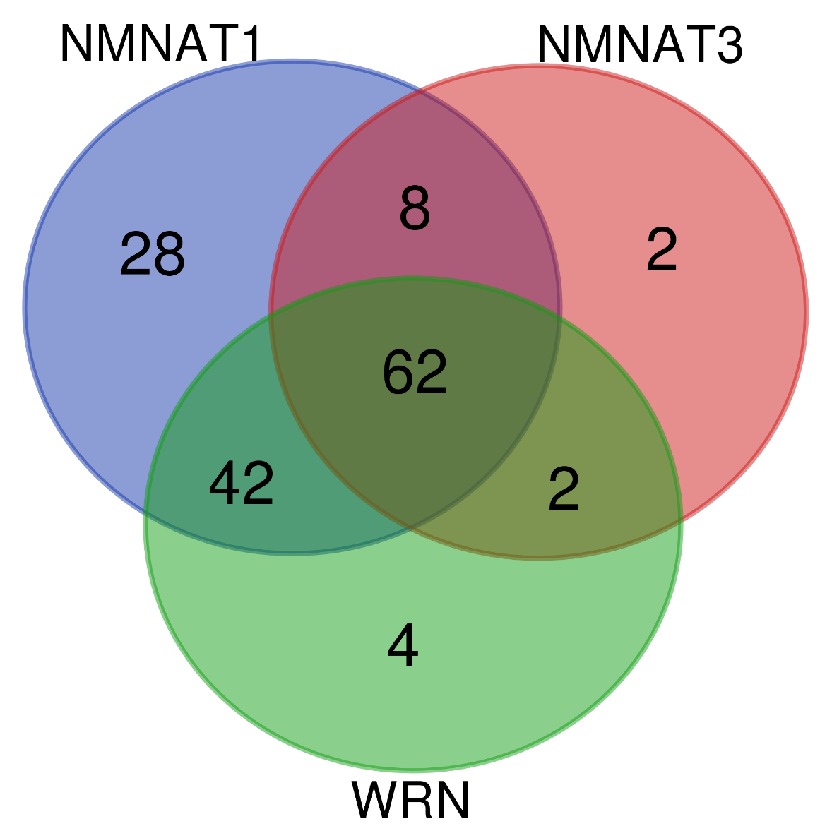
Names | total | elements
NMNAT1 NMNAT3 WRN | 62 | KDM4A
 |  | SIN3A
 |  | YY1
 |  | ZNF143
 |  | NELFE
 |  | ZC3H11A
 |  | REST
 |  | SAP30
 |  | BACH1
 |  | UBTF
 |  | ARID3A
 |  | KDM5B
 |  | MAFK
 |  | EP300
 |  | JUND
 |  | HMGN3
 |  | TBP
 |  | CBX3
 |  | TBL1XR1
 |  | RFX5
 |  | RCOR1
 |  | PML
 |  | IRF1
 |  | MYC
 |  | JUN
 |  | MAX
 |  | ZNF384
 |  | RBBP5
 |  | H2AFZ
 |  | CCNT2
 |  | CHD1
 |  | HDAC2
 |  | MYOG
 |  | ETS1
 |  | TCF12
 |  | ZMIZ1
 |  | MAFF
 |  | CTCF
 |  | CHD7
 |  | SMC3
 |  | E2F6
 |  | MAZ
 |  | BHLHE40
 |  | ATF3
 |  | HDAC1
 |  | RAD21
 |  | EGR1
 |  | SIRT6
 |  | HCFC1
 |  | ELF1
 |  | NR2F2
 |  | GTF2F1
 |  | HDAC6
 |  | MXI1
 |  | USF1
 |  | TAF1
 |  | TEAD4
 |  | POLR2A
 |  | CHD2
 |  | EZH2
 |  | PHF8
 |  | ZBTB7A
NMNAT1 NMNAT3 | 8 | TCF3
 |  | SMARCB1
 |  | KDM1A
 |  | USF2
 |  | GTF3C2
 |  | CHD4
 |  | SPI1
 |  | EBF1
NMNAT1 WRN | 42 | WRNIP1
 |  | FOS
 |  | ZNF263
 |  | SETDB1
 |  | ZKSCAN1
 |  | CEBPD
 |  | CTBP2
 |  | FOXP2
 |  | CEBPB
 |  | NFIC
 |  | TAL1
 |  | IRF3
 |  | KAT2A
 |  | KDM5A
 |  | ATF1
 |  | BRCA1
 |  | ELK1
 |  | RUNX3
 |  | SP4
 |  | PAX5
 |  | GTF2B
 |  | POU2F2
 |  | STAT3
 |  | MTA3
 |  | NFYB
 |  | SRF
 |  | STAT1
 |  | MYBL2
 |  | SIX5
 |  | GABPA
 |  | CUX1
 |  | TRIM28
 |  | WHSC1
 |  | STAT5A
 |  | BCLAF1
 |  | NFYA
 |  | BCL3
 |  | SP1
 |  | ZBTB33
 |  | NRF1
 |  | E2F4
 |  | CREB1
NMNAT3 WRN | 2 | GATA2
 |  | GATA1
NMNAT1 | 28 | IRF4
 |  | FLI1
 |  | FOSL2
 |  | ATF2
 |  | TFAP2C
 |  | ZEB1
 |  | THAP1
 |  | GATA3
 |  | TCF7L2
 |  | NANOG
 |  | SP2
 |  | TAF7
 |  | HNF4A
 |  | SUZ12
 |  | MBD4
 |  | RELA
 |  | NFATC1
 |  | PBX3
 |  | BATF
 |  | KAT2B
 |  | ELK4
 |  | ZNF217
 |  | TFAP2A
 |  | FOXM1
 |  | HNF4G
 |  | NR3C1
 |  | SUPT20H
 |  | BCL11A
NMNAT3 | 2 | CTCFL
 |  | RNF2
WRN | 4 | FOXA2
 |  | ZNF274
 |  | FOXA1
 |  | MYB

Venn_all
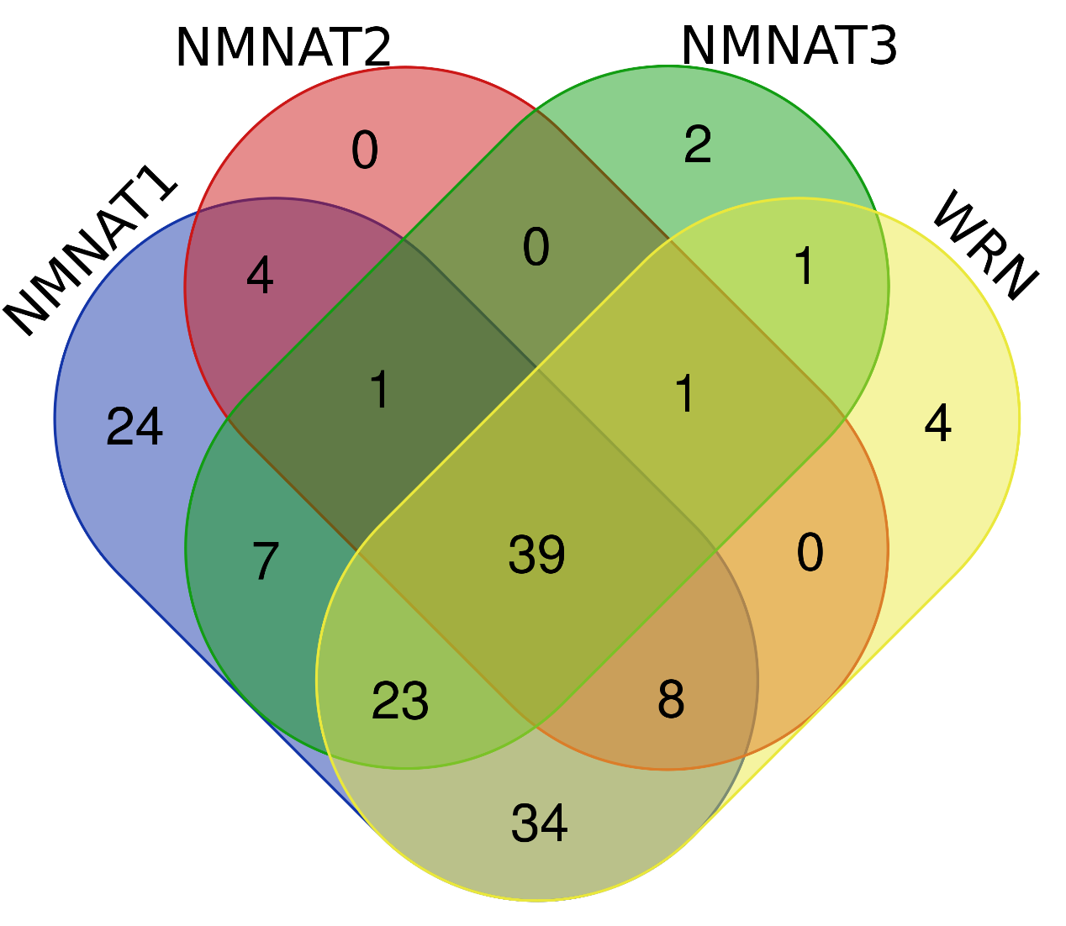
Names | total | elements
NMNAT1 NMNAT2 NMNAT3 WRN | 39 | KDM4A
 |  | SIN3A
 |  | YY1
 |  | ZNF143
 |  | REST
 |  | SAP30
 |  | BACH1
 |  | KDM5B
 |  | EP300
 |  | JUND
 |  | TBP
 |  | RCOR1
 |  | MYC
 |  | JUN
 |  | MAX
 |  | RBBP5
 |  | H2AFZ
 |  | CHD1
 |  | HDAC2
 |  | MYOG
 |  | TCF12
 |  | CTCF
 |  | CHD7
 |  | SMC3
 |  | E2F6
 |  | MAZ
 |  | BHLHE40
 |  | RAD21
 |  | EGR1
 |  | GTF2F1
 |  | HDAC6
 |  | MXI1
 |  | USF1
 |  | TAF1
 |  | TEAD4
 |  | POLR2A
 |  | CHD2
 |  | EZH2
 |  | PHF8
NMNAT1 NMNAT2 NMNAT3 | 1 | USF2
NMNAT1 NMNAT2 WRN | 8 | ZNF263
 |  | CEBPB
 |  | TAL1
 |  | KDM5A
 |  | SP4
 |  | GABPA
 |  | BCL3
 |  | CREB1
NMNAT1 NMNAT3 WRN | 23 | NELFE
 |  | ZC3H11A
 |  | UBTF
 |  | ARID3A
 |  | MAFK
 |  | HMGN3
 |  | CBX3
 |  | TBL1XR1
 |  | RFX5
 |  | PML
 |  | IRF1
 |  | ZNF384
 |  | CCNT2
 |  | ETS1
 |  | ZMIZ1
 |  | MAFF
 |  | ATF3
 |  | HDAC1
 |  | SIRT6
 |  | HCFC1
 |  | ELF1
 |  | NR2F2
 |  | ZBTB7A
NMNAT2 NMNAT3 WRN | 1 | GATA2
NMNAT1 NMNAT2 | 4 | ATF2
 |  | GATA3
 |  | TCF7L2
 |  | SUZ12
NMNAT1 NMNAT3 | 7 | TCF3
 |  | SMARCB1
 |  | KDM1A
 |  | GTF3C2
 |  | CHD4
 |  | SPI1
 |  | EBF1
NMNAT1 WRN | 34 | WRNIP1
 |  | FOS
 |  | SETDB1
 |  | ZKSCAN1
 |  | CEBPD
 |  | CTBP2
 |  | FOXP2
 |  | NFIC
 |  | IRF3
 |  | KAT2A
 |  | ATF1
 |  | BRCA1
 |  | ELK1
 |  | RUNX3
 |  | PAX5
 |  | GTF2B
 |  | POU2F2
 |  | STAT3
 |  | MTA3
 |  | NFYB
 |  | SRF
 |  | STAT1
 |  | MYBL2
 |  | SIX5
 |  | CUX1
 |  | TRIM28
 |  | WHSC1
 |  | STAT5A
 |  | BCLAF1
 |  | NFYA
 |  | SP1
 |  | ZBTB33
 |  | NRF1
 |  | E2F4
NMNAT3 WRN | 1 | GATA1
NMNAT1 | 24 | IRF4
 |  | FLI1
 |  | FOSL2
 |  | TFAP2C
 |  | ZEB1
 |  | THAP1
 |  | NANOG
 |  | SP2
 |  | TAF7
 |  | HNF4A
 |  | MBD4
 |  | RELA
 |  | NFATC1
 |  | PBX3
 |  | BATF
 |  | KAT2B
 |  | ELK4
 |  | ZNF217
 |  | TFAP2A
 |  | FOXM1
 |  | HNF4G
 |  | NR3C1
 |  | SUPT20H
 |  | BCL11A
NMNAT3 | 2 | CTCFL
 |  | RNF2
WRN | 4 | FOXA2
 |  | ZNF274
 |  | FOXA1
 |  | MYB

